Welcome



Thank you for using Walmart Full Item Spec!

** You are seeing this message because your macros are disabled. **

Walmart's Full Item Spec uses macros to validate your data. This ensures that you will see fewer or no errors after uploading your Spec.

When you opened this Spec, you clicked on "Disable Macros". Depending on the version of Excel that you are using, you may have been presented with "Enable Editing", "Enable Content" or "Enable Macros".

How to enable macros?
Please close this Spec and re-open it. When presented with the macros pop-up, please click on "Enable Macros". Depending on the version of Excel you are using, please click on "Enable Macros", "Enable Editing" or "Enable Content".

Instructions
Full Item Spec for Marketplace
Instructions
Introduction
TEST

This Spec is designed for bulk item setup. The workbook uses macros to validate your entries. We highly recommend that you leave macros enabled while you are working on the Spec. If you disable macros prior to uploading, save your changes, close the worksheet, reopen it with macros turned on and run the validations.

Every Category Spec is specific to a single category. Refer to our Categorization Guide for help in selecting the right category.

Within each Spec you will see the following sheets:
• Instructions
• Data Definitions
• Examples

Every sheet after the first three sheets represents a subcategory. In the subcategory sheets, there are multiple columns for you to describe your items. You can also refer to the Categorization Guide for help in selecting the right subcategory.

For more details on the attributes you need to fill out in this Spec, refer to the online Knowledge Base article Filling Out The Full Item Spec.
** NOTE: Do not delete any columns in the Spec. You can hide columns if necessary. **
Walmart macros are supported for the following PC or Mac Excel versions: - Mac: 2011 Excel 14.0 (part of Office 2011) - Mac: 2015 Excel 15.0 (part of Office 2016) - PC: Excel 2010 (v14) (part of Office 2010) - PC: Excel 2013 (v15) (part of Office 2013) - PC: Excel 2016 (v16) (part of Office 2016)

Walmart Toolbar

Depending on the version of Excel that you are using, you will see a Walmart Toolbar as shown below:

The Walmart Toolbar's buttons do the following:
• View Knowledge Base – Takes you to the Walmart Knowledge Base, where you can read detailed articles about Item Setup.
• Show Required Fields – You can use this button to toggle between "Show Required Only" and "Show All Fields".
• Validate – Validates the Spec for errors.
• Add Attribute – If you want to define a custom attribute, this feature allows you to add additional attributes.

Attribute Requirement Levels

Attributes in the Spec are grouped based on their business significance, and each group is color-coded. You can see the requirement level for each attribute in the Data Definitions sheet.

There are four requirement levels:

1. Required – These attributes are denoted in red and must be completed in order to successfully set up your item.

2. Recommended – These attributes will positively impact the customer experience and improve the discoverability of your items. To make it easier for you, we have grouped these attributes in a section called Discoverability.

3. Conditionally Required – These attributes are dependent on another attribute. For example, if you provide the measure for an item's height, you must also provide the units for it. If macros are enabled, the validation will help you identify these fields.

4. Optional – Although not required, optional attributes capture important product information and show up on the Item Page.

Entering Data

Accurate Information
If you are unsure of what to fill in for an attribute, please refer to the Data Definitions sheet. With macros enabled, you may also hover your cursor over row 6 to see example values and the character limit.
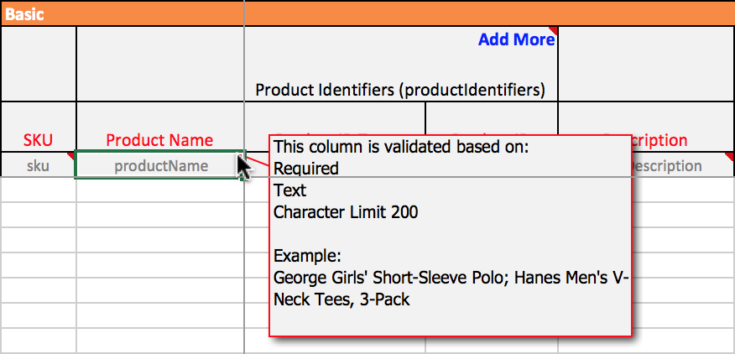

Copying and Pasting
If you must copy from a cell in one column and paste to a cell in another column, right-click and select Paste Special from the menu options. From the options under paste, select values and click OK. Failing to do this may break the validation macros.

Display Option: Show Required Fields Only
If you want to fill in only the required fields, go to the Walmart Toolbar and click Show Required Fields Only. You may need to fill in additional conditionally required fields depending on what you enter in the required fields. Conditionally required fields will appear after you validate the file. To add additional images or to set up a variant group, you must set the display to Show All Fields.

Validation Macros
After you click on Validate on the Walmart toolbar, the validate column will change colors and your cells will be highlighted in different colors based on the type of errors they contain.
 Green Validation Cell – No errors have been found in this row.
 Red Validation Cell – One or more cells in this row contain an error. The cell with an error will be highlighted in the following colors:
 Gray – Cell contains invalid data. Choose an option from the drop-down.
 Blue – Sheet contains duplicate SKU. Delete or correct one of the SKUs.
 Salmon – This cell is required based on the other information provided. Please fill it in.

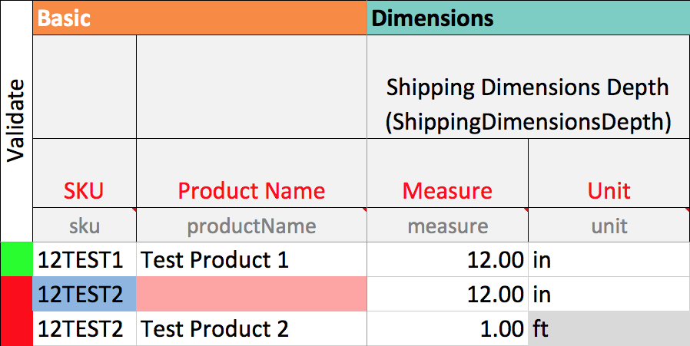

Invalid data means you've entered information that is not permitted for this attribute. This applies to closed list attributes, whose values must be selected from a list. If you are unsure of valid values, you can select the cell and click on the drop-down on the right to choose from the list.
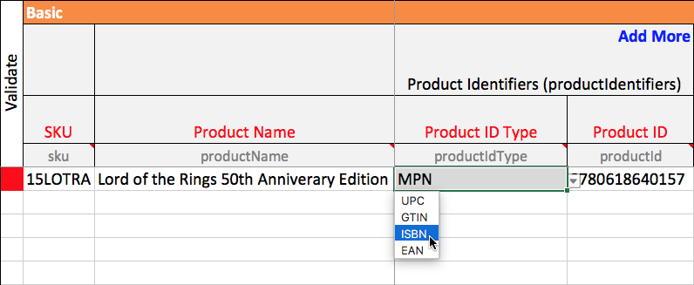
** Note: The macros will help identify and eliminate common errors, but they will not verify the accuracy of the data and will not capture all errors. **

Add More
In Excel, if you need to enter more than one value for an attribute, you must add additional columns. For example, if you have more than two images for an item, click on the Add More button in the Additional Image URL column to create a new column in which you can put the third image URL.

Using the Add More function also improves the formatting of content on your item page on Walmart.com. For example, each added Key Features column will appear as a separate bullet in a bulleted list on the item page. For media, each Track will appear on the item page in a formatted track listing. For food items, each Nutrient will appear in a panel that looks like a nutrition facts label.
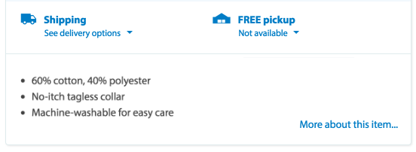
In some instances, there are grouped attributes where using the Add More feature will repeat the entire group. For instance, if you have a shirt that is made of multiple fabrics, clicking on Add More will allow you to specify each Fabric Material Name and its corresponding Fabric Material Percentage in new columns. This is the case for other attributes, such as State Restrictions, Recycled Material Content, Fabric Material Content, Active Ingredients, Nutrients and Battery Type.

** Note: TheAdd Morefunctionality works as designed only if you have macros enabled. If you have disabled your macros, you can manually insert and name a column wherever you see theAdd Morebutton (as shown in the screenshot above). Ensure that the Field Name in row 6 is named the same as the attribute you are repeating. **

Troubleshooting
If macro options do not appear or the Walmart Toolbar is missing buttons, save your file and restart Excel. Make sure to click Enable Macros when you reopen the Spec. This error is known to occur if too many Specs are opened consecutively.

If a cell is gray (contains invalid data) but there is no drop-down menu to the left, the validation macros have been broken. This may occur even if the data you've entered is valid for this attribute. To correct this error, copy and paste from a blank cell that contains a drop-down menu in the same column. Then reenter the correct data. Reread the section above on copying and pasting to learn how to prevent this problem from reoccurring.

